Sheet2
Stages of the project | Start date | End date | Duration in days | % Complete | Link followed to prepare this gantt chart: https://www.ablebits.com/office-addins-blog/2014/05/23/make-gantt-chart-excel/
Stage 1: Decision of the topic | 24-Feb-20 | 26-Feb-20 | 3 | 100%
Stage 2: Analysis of realted works | 27-Feb-20 | 4-Mar-20 | 7 | 100%
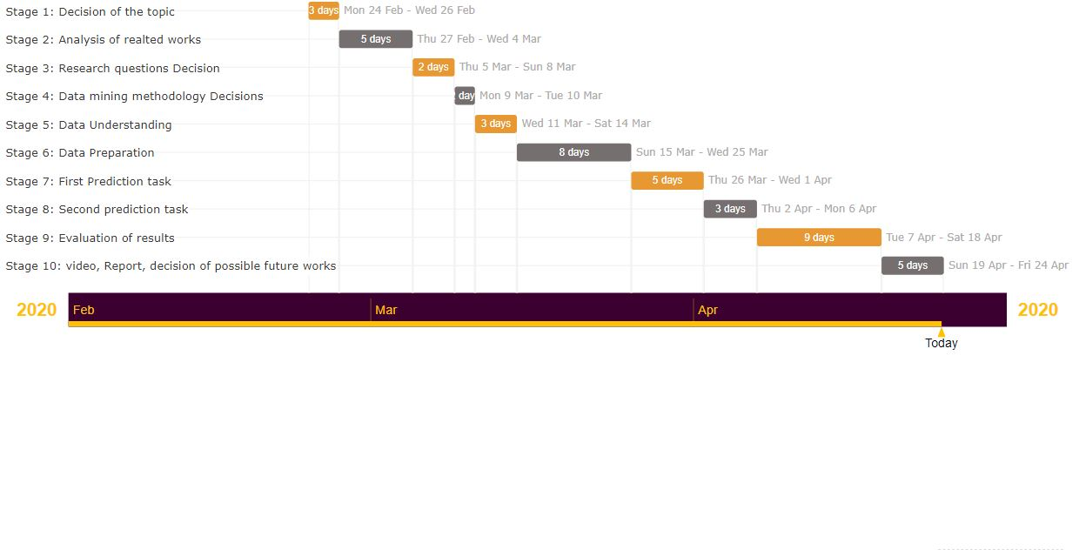
Stage 3: Research questions Decision | 5-Mar-20 | 8-Mar-20 | 4 | 100%
Stage 4: Data mining methodology Decisions | 9-Mar-20 | 10-Mar-20 | 2 | 100%
Stage 5: Data Understanding | 11-Mar-20 | 14-Mar-20 | 4 | 100%
Stage 6: Data Preparation | 15-Mar-20 | 25-Mar-20 | 8 | 100%
Stage 7: First Prediction task | 26-Mar-20 | 1-May-20 | 7 | 100%
Stage 8: Second prediction task | 2-Apr-20 | 6-Apr-20 | 5 | 100%
Stage 9: Evaluation of results | 7-Apr-20 | 18-Apr-20 | 12 | 100%
Stage 10: video, Report, decision of possible future works | 19-Apr-20 | 24-Apr-20 | 6 | 100%

